3-Column Upload Format
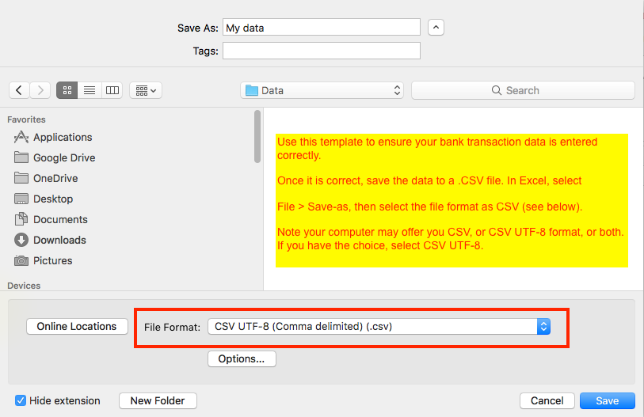
Date | Description | Amount

